11C_EKAP(compound)
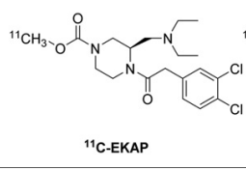
Structures
Property name | Property Value
trivial name | [11C]EKAP
DOI | 10.2967/jnumed.118.220517
Molecular formula | C1811CH27Cl2N3O3

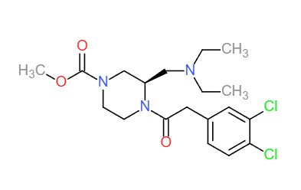
Chemical and Physical Properties | Calculated by ChemDraw(ver22.2.0)
Property name | Property Value
Molecular weight | 415.34
XlogP3 | 3.09
Hydrogen Bond Donar Count | 0
Hydrogen Bond Acceptor Count | 2
Rotatable Bond Count | 9
Exact Mass | 414.15
Monoisotopic Mass | 414.15
Topological Polar Surface Area | 53.09
Heavy Atom Count | 27
Formal Charge | 0
Complexity
Isotope Atom Stereocentor |  |  | No. of Nitrogen and Oxygen Atoms: 6
Defined Atom Stereocenter Count |  |  | No. of Rings: 2
Undefined Atom Stereocenter Count
Defined Bond Stereocenter Count
Undefined Bond Stereocenter Count
Covalently-Bonded Unit Count
Compound Is Canonicalized

BioAssay Results
Activity Value, nM | Activity Type | BioAssay Name | BioAssay AID | Substance SID | DOI (References other than Pubchem)
0.28 | Ki | monkey,n=3 |  |  | 10.2967/jnumed.118.220517

